Sheet1
Item No. | Access Level | Path | Screenshot | Observation | Remarks
1 | Owner | /app | 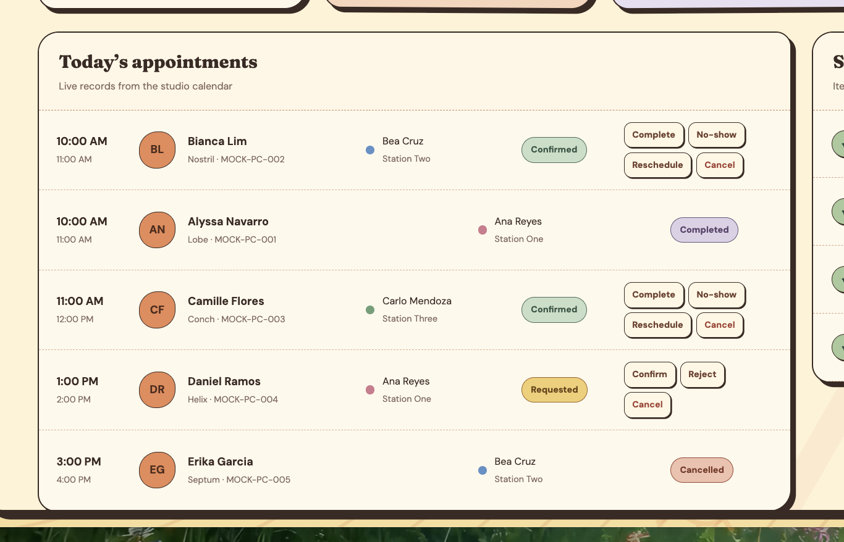 | Today's appointments table shall have a search bar, appoinment status shall be removed at first glance, user must click the customer to see a floating tab and from there can set the appointment status
2 | Owner | /app?view=calendar | 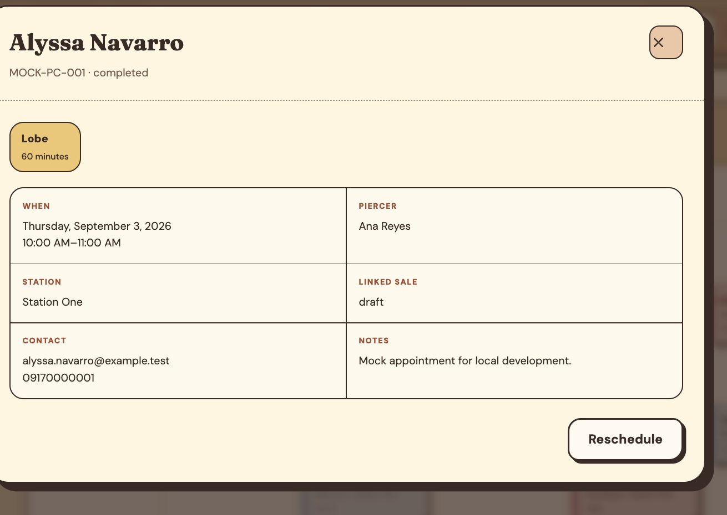 | the close button alignment
3 | Owner | /app?view=calendar |  | fix schedule time rows until 12 am
4 | Owner | /app?view=clients |  | cant search if there if there is a space on the input on search even though a record of that client is existing
5 | Owner | /app | 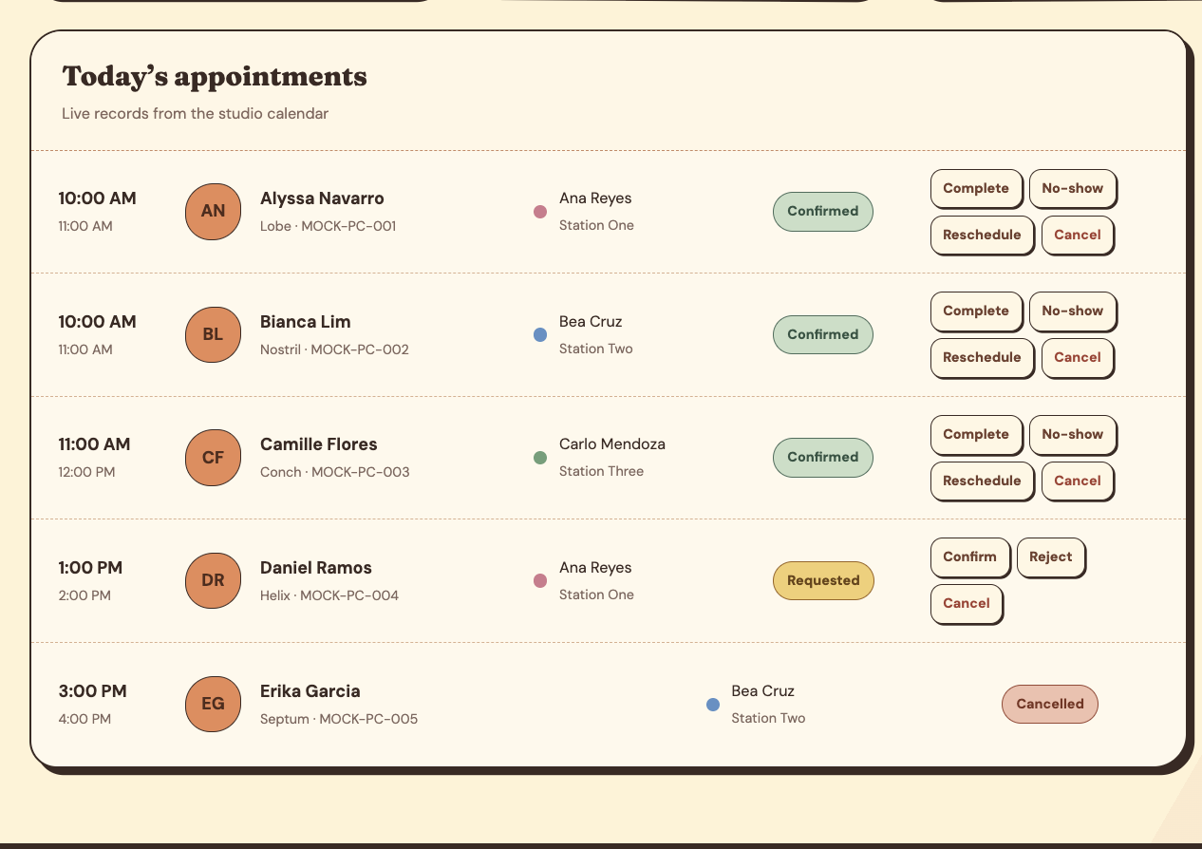 | should have column names, when the appointment is cancelled, it seems like piercer name from piercer name column data goes to the appointment status column. and appointment status goes to completion status. column names should be as follows, time, customer name, piercer name, completion status, there should be an ">" which user can click that would show a floating container of customers details and then they can configure appointment status and completion status
6 | Owner | 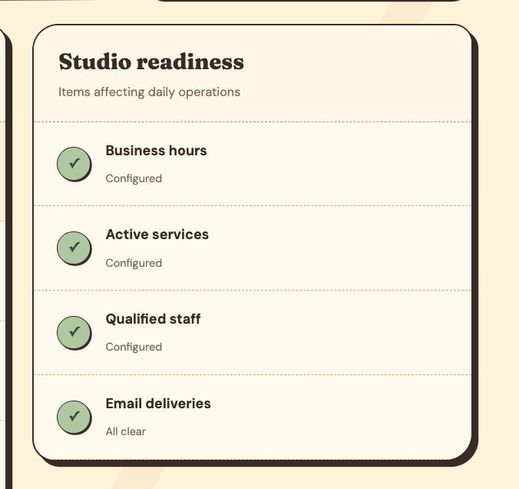 /app |  | shall have redirection button so that they can reconfigure business hours, active services, qualified staff, or email deliveries
7 | Owner | app?view=clients | 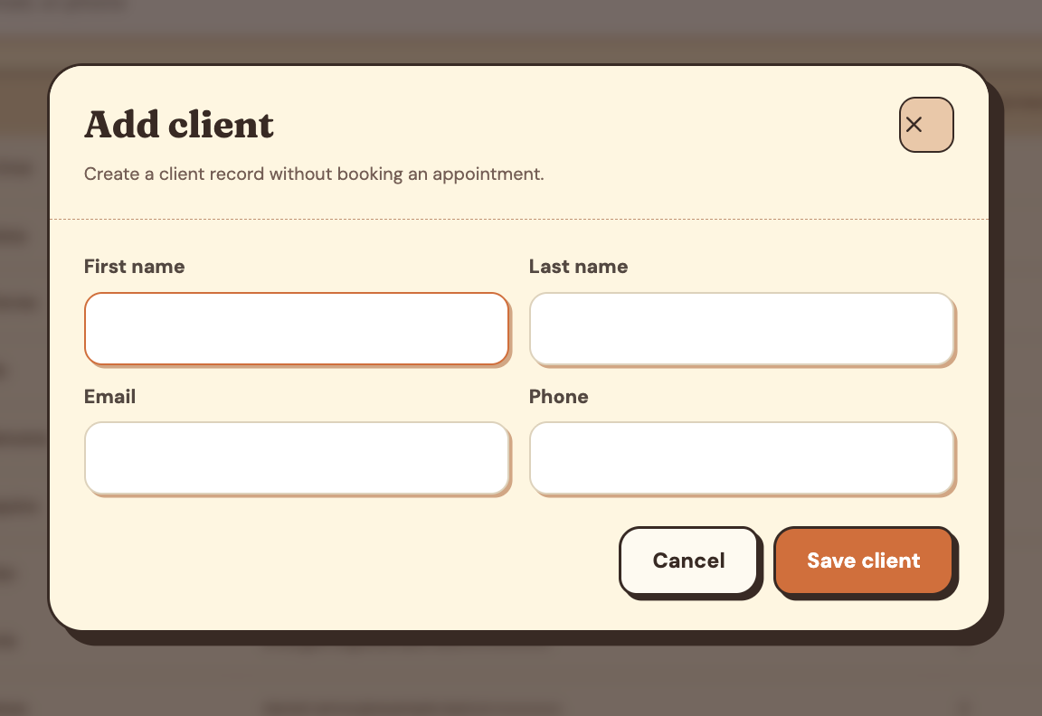 | fix the close button alignment
8 | Owner | app?view=clients |  | should have separate column for email. and separate column for contact number. the cell should contain combined email and contact
9 | Owner | app?view=clients | 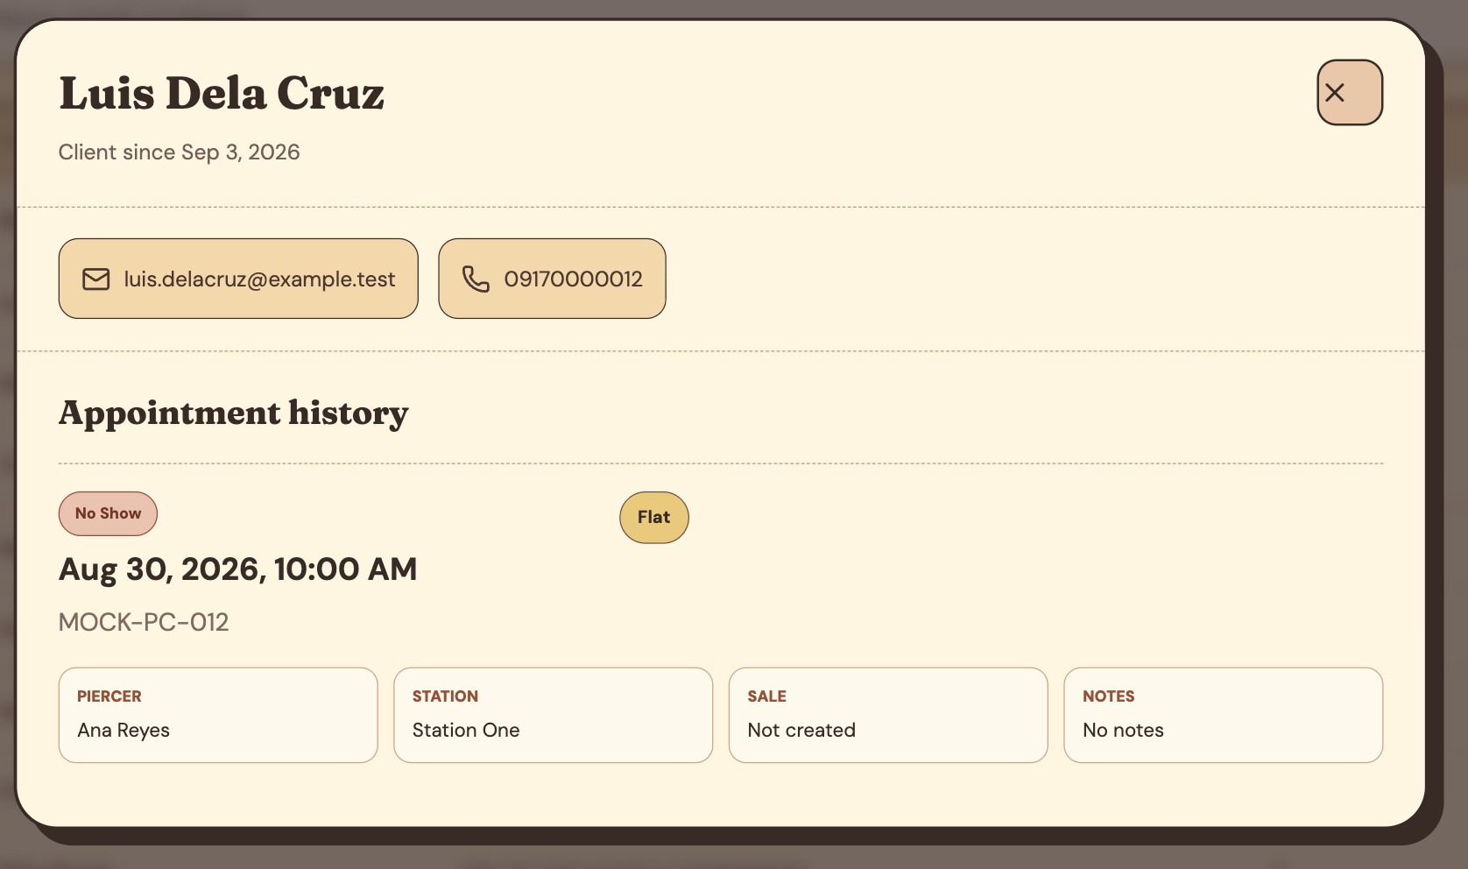 | appointment shoud only showcase a record with columns timestamp, piercer, piercing type, completion status because it's too clogged
10 | Owner | app?view=clients | 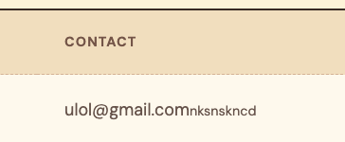 | client from should not accept invalid phone number

